Walmart ESG HR Metrics
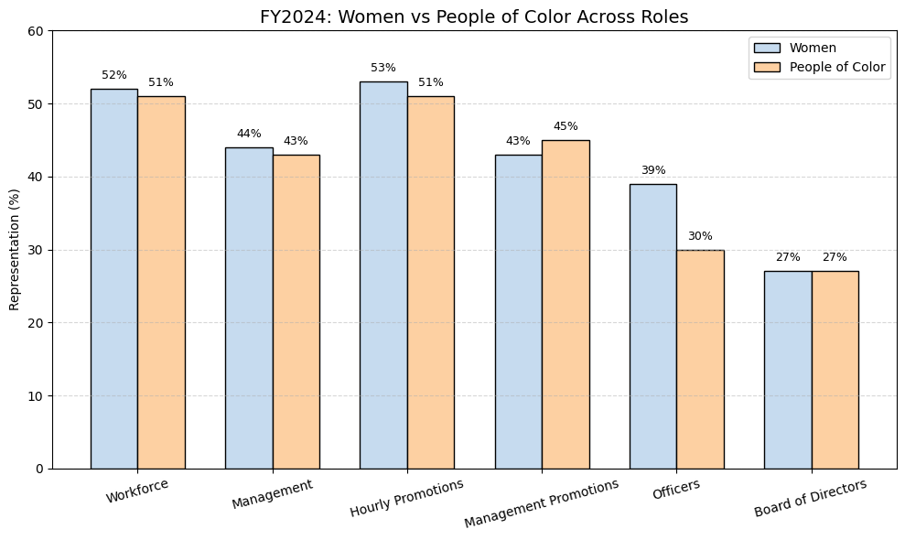
Metric | FY2022 | FY2023 | FY2024
U.S. promotions to higher responsibility jobs | >135,000 | >180,000 | >130,000
Live Better U enrollment | >30,000 | >34,000 | >25,000
Global workforce - Women | 54% | 53% | 52%
U.S. workforce - Women | 53% | 52% | 52%
U.S. workforce - People of Color | 49% | 49% | 51%
U.S. management - Women | 44% | 44% | 44%
U.S. management - People of Color | 39% | 41% | 43%
Hourly-to-hourly promotions - Women | 54% | 54% | 53%
Hourly-to-hourly promotions - People of Color | 46% | 50% | 51%
Management promotions - Women | 45% | 40% | 43%
Management promotions - People of Color | 40% | 43% | 45%
U.S. officers - Women | 34% | 37% | 39%
U.S. officers - People of Color | 27% | 28% | 30%
Board of Directors - Women | 27% | 27% | 27%
Board of Directors - Racially/Ethnically Diverse | 18% | 18% | 18%
Average Age of U.S. Workforce | 38 years | 39 years | 39 years
Veterans hired/promoted | >52,000 offers >4,500 promoted | >47,000 hired >6,600 promoted | >30,000 hired >5,000 promoted
Military spouses hired | >30,000 | >27,000 | >18,000
Active LBU Students - Women | 60% | 58% | 57%
Active LBU Students - People of Color | 50% | 51% | 56%
U.S. hourly associates in full-time jobs | ~68% | ~68% | ~67%
Medical plan bi-weekly starting cost ($) | $31.40 | $33.00 | $34.50
Average hourly wage (U.S. hourly associates) | >$16.50 | >$17.00 | >$17.50
Average total hourly compensation | >$21.25 | >$21.75 | >$22.00

Average Hourly Wage
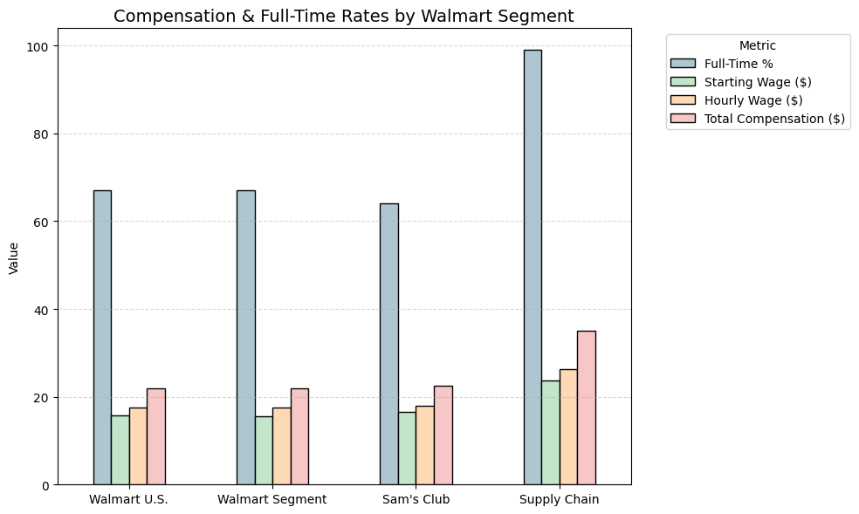
Associate Population | Walmart associates in the U.S. | Walmart U.S. segment21 | Sam’s Club U.S. segment22 | U.S. supply chain associates (Walmart U.S. and Sam’s Club U.S.)23
Hourly Associates in Full-Time Roles | 67% | 67% | 64% | 99%
Average Starting Wage19 | $15.75 | >$15.50 | >$16.50 | $23.75
Average Hourly Wage | >$17.50 | >$17.50 | >$18.00 | >$26.25
Average Total Hourly Compensation20 | >$22.00 | >$22.00 | >$22.50 | >$35.00
Peer Comparison | Omni-channel, multi-format retailers | Grocery chains, multi-category retailers, dollar stores | Warehouse clubs | eCommerce fulfillment

Walmart People Strategy – Combi
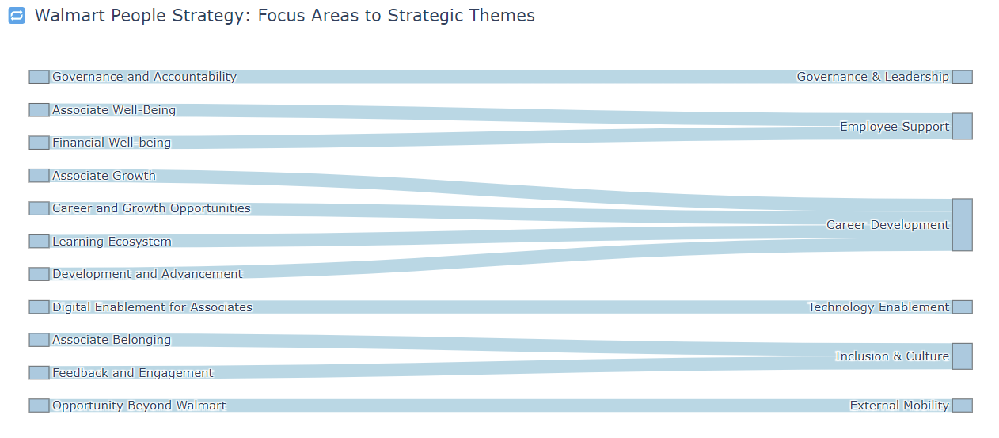
Walmart People Strategy – Combined Focus Areas | Strategic Summary
Governance and Accountability | Governance mechanisms include structured policies to guide people strategy decisions.
Associate Well-Being | Supports financial, physical, and emotional well-being via benefits, compensation, and scheduling flexibility.
Associate Growth | Provides career mobility opportunities and growth-oriented pathways within Walmart.
Digital Enablement for Associates | Invests in digital tools to improve productivity and enhance the associate experience.
Associate Belonging | Fosters inclusion, respect, and connection through diversity, equity, and support frameworks.
Opportunity Beyond Walmart | Promotes career mobility beyond Walmart via partnerships and a skills-based approach to hiring and advancement.
Financial Well-being | Enables financial stability with paid leave, competitive wages, and predictable/flexible scheduling.
Career and Growth Opportunities | Provides upward mobility for young workforce (40% under age 30), helping build skills for higher responsibility roles.
Learning Ecosystem: Training and Education | Invested $560M (as of FY24) toward $1B goal in associate training and education for long-term career development.
Development and Advancement | Promotes internal advancement based on merit, skills, and performance to support long-term growth.
Associate Feedback and Engagement | Uses active listening and engagement to drive job satisfaction and foster a culture of belonging.

Online vs Offline Channels
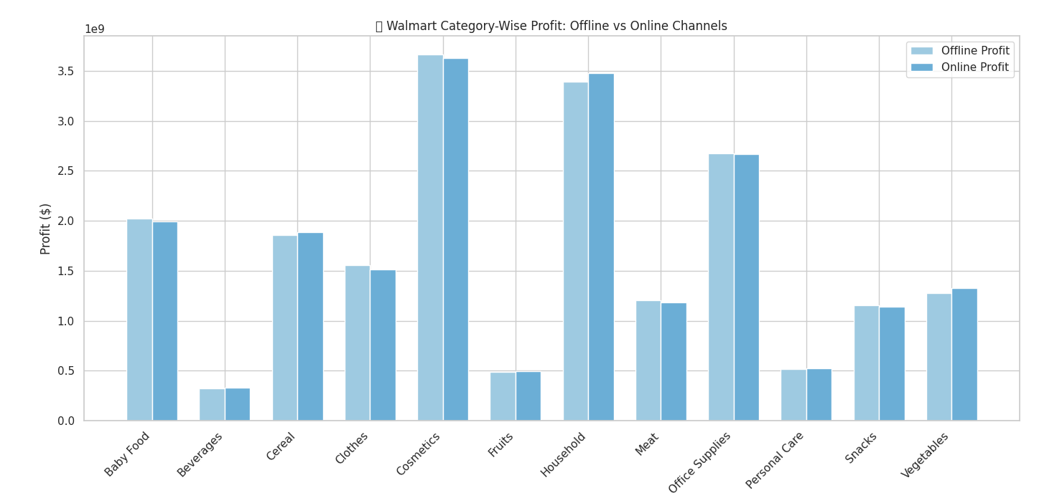
Row Labels | Sum of Offline Revenue | Sum of Online Revenue | Sum of Offline Profit | Sum of Online Profit
Baby Food | 5383395696 | 5315802657.6 | 2021514852 | 1996133041.2
Beverages | 980243452.5 | 989605954.35 | 323511327 | 326601248.58
Cereal | 4316312326.7 | 4375421455.9 | 1858931011.3 | 1884387879.3
Clothes | 2310163573 | 2254837950.2 | 1552511098.1 | 1515330335.5
Cosmetics | 9214318774.4 | 9115056886.4 | 3664441000.2 | 3624965555.4
Fruits | 190069752.36 | 190568832.72 | 49096259.72 | 49225175.44
Household | 13682927822 | 14022741112 | 3393346443.8 | 3477619651.6
Meat | 8866361346.6 | 8745591537.1 | 1202104503.6 | 1185730488.8
Office Supplies | 13802583498 | 13739255931 | 2675905110 | 2663627802.5
Personal Care | 1690744750.4 | 1702502264.8 | 518415067.24 | 522020148.72
Snacks | 3198420715.3 | 3164026742 | 1155858685.6 | 1143429247.3
Vegetables | 3114790009.9 | 3240930024.2 | 1276364360.2 | 1328053436.5
Grand Total | 66750331718 | 66856341349 | 19691999719 | 19717124011

Key Metrics
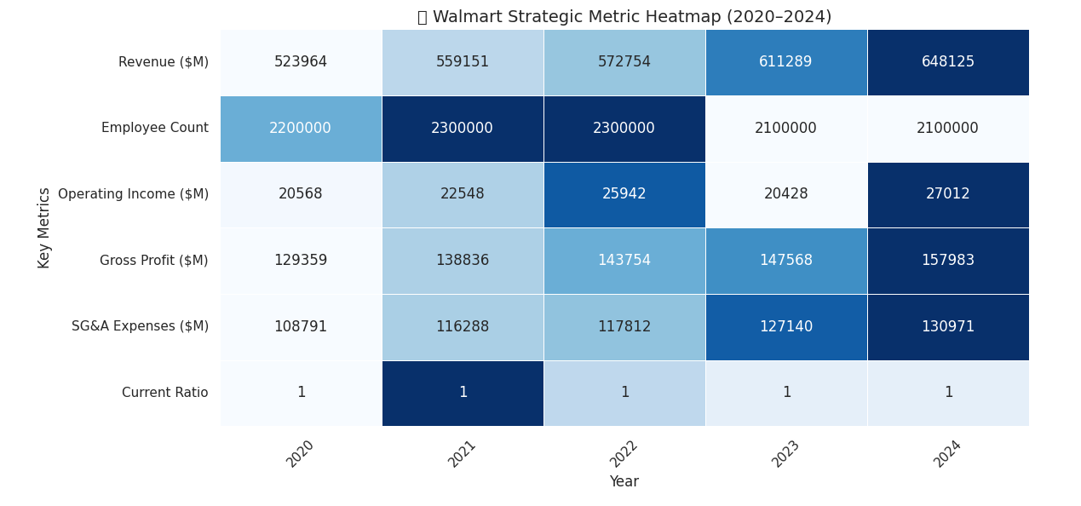
Year | 2024 | 2023 | 2022 | 2021 | 2020
Revenue | $648,125.00 | $611,289.00 | $572,754.00 | $559,151.00 | $523,964.00
Annual Total Assets | $252,399 | $243,197 | $244,860 | $252,496 | $236,495
Current Assets | $86.94B | $88.39B | $87.68B | $82.96B | $73.60B
Current Liabilities | $102.56B | $104.23B | $101.41B | $87.62B | $88.12B
Current Ratio | 0.85 | 0.85 | 0.87 | 0.95 | 0.84
Employee Count | 2,100,000 | 2,100,000 | 2,300,000 | 2,300,000 | 2,200,000
Gross Profit | $157,983.00 | $147,568.00 | $143,754.00 | $138,836.00 | $129,359.00
SG&A Expenses | $130,971.00 | $127,140.00 | $117,812.00 | $116,288.00 | $108,791.00
Operating Expenses | $130,971.00 | $127,140.00 | $117,812.00 | $116,288.00 | $108,791.00
Operating Income | $27,012.00 | $20,428.00 | $25,942.00 | $22,548.00 | $20,568.00
Total Non-Operating Income/Expense | ($5,164.00) | ($3,412.00) | ($7,246.00) | ($1,984.00) | ($452.00)

Strategies
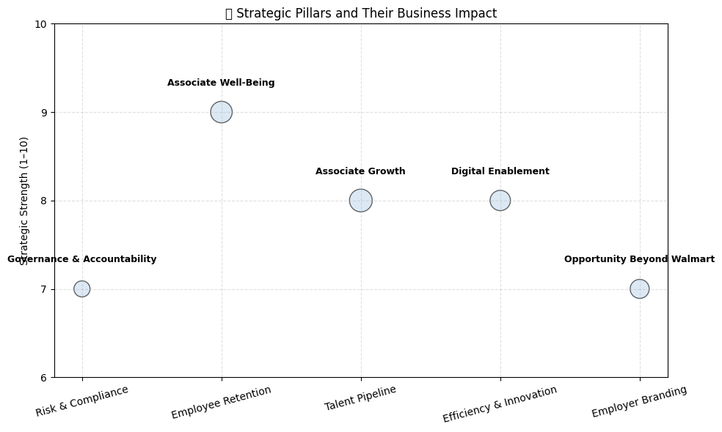
Strategic Pillar | Description
Governance and Accountability | Governance mechanisms for our people strategy include structured oversight and policies.
Associate Well-Being | Walmart supports financial, physical, and emotional well-being with benefits like healthcare, 401(k), and PTO available from day one.
Associate Growth | Focus on providing career paths and growth opportunities within the organization.
Digital Enablement for Associates | Investment in digital tools to enhance associate productivity, efficiency, and experience as roles evolve.
Opportunity Beyond Walmart | Initiatives to support career mobility beyond Walmart through skills-based development in retail and related sectors.

Focus area
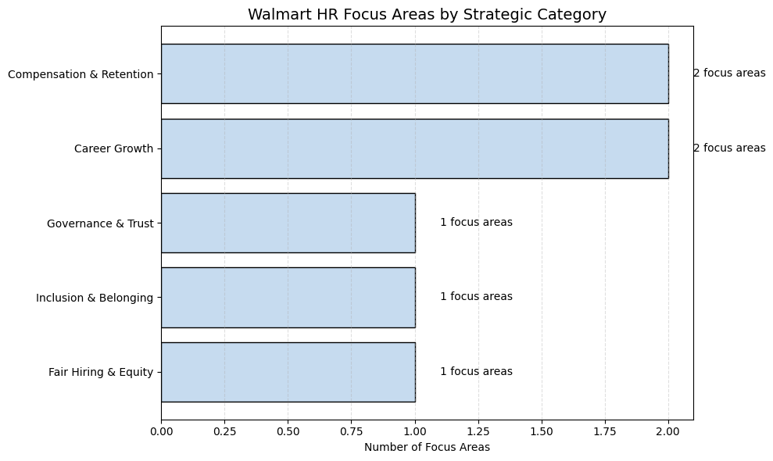
Focus Area | Description
Investing in associates | Walmart offers strong wages, benefits, and incentives like cash bonuses, stock grants, and competitive base salary to retain a largely full-time workforce.
Emphasizing skills | 75% of roles doesn't require a degree. Walmart promotes from within and runs training programs for specialized roles like fleet drivers and technicians.
Culture of belonging | Walmart fosters inclusion, mentoring, education, and feedback channels to create a culture of respect and community for all associates.
Hiring practices | Standardized interview practices, no salary history asked for external hires, and diverse candidate shortlists are promoted.
Pay controls | Pay decisions are based on market data, with limited managerial discretion and regular reviews to ensure fairness.
Transparency | Self-service tools, visible pay ranges, support for inquiries, and confidential complaint channels enhance transparency.
Capability building | Managers and recruiters are trained on pay-related policies to ensure consistent and fair compensation practices.

